Introduction
 | Chapter 7 - Statistical Formulas

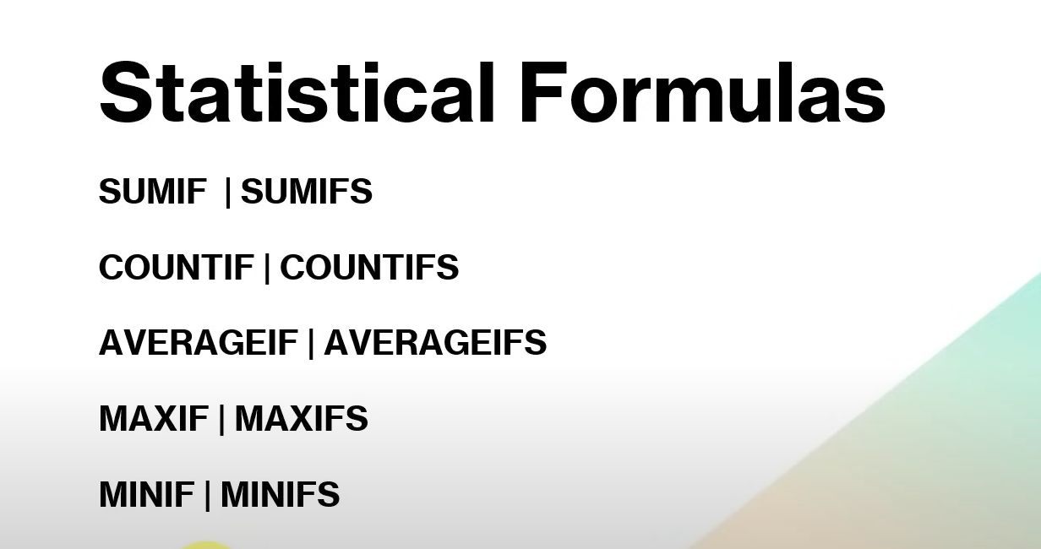

Generally This type of questions were asked in excel when in comes to statiscial formulas

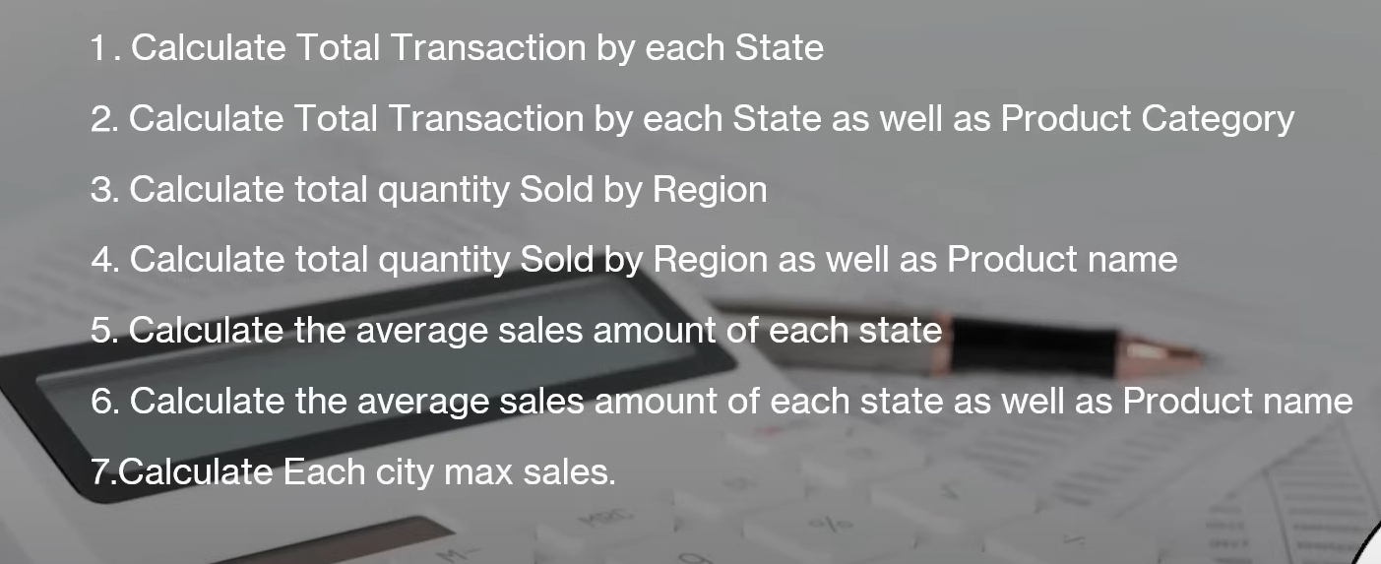

For every question I have made one sheet please fo through and have a good look at the formula

